Expense Form
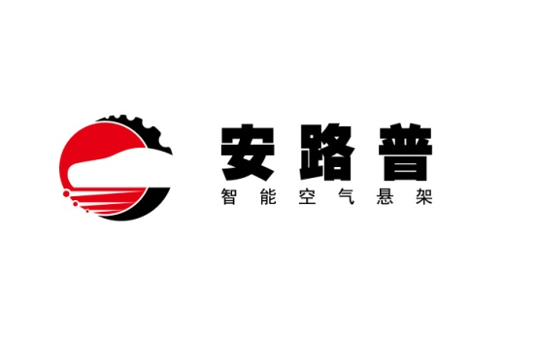
安路普（北京）汽车技术有限公司

费用报销单

日期： | 2019-04-08 | 报销人： 张金昭 |  | 部门： | 施工部 |  |  |  |  |  | 预算编码：
 |  |  | 差旅费 | 车辆油费 | 车辆过路过桥费 | 招待费 | 办公费 | 福利费 | 工资 | 修理费 | 劳保费 | 招聘费 | 其他 | 合计
序号 | 支出项目 | 具体事由
 |  |  | RMB | RMB | RMB | RMB | RMB | RMB | RMB | RMB | RMB | RMB | RMB | RMB
1 | 京N201D1车辆维修 | 车辆保养、验车（三元催化和轮胎型号不合格，维修） |  |  |  |  |  |  |  | 1,230.00 |  |  |  |  | #REF!
2 |  |  |  |  |  |  |  |  |  |  |  |  |  |  | #REF!
3 |  |  |  |  |  |  |  |  |  |  |  |  |  |  | #REF!
4 |  |  |  |  |  |  |  |  |  |  |  |  |  |  | #REF!
5 |  |  |  |  |  |  |  |  |  |  |  |  |  |  | #REF!
6 |  |  |  |  |  |  |  |  |  |  |  |  |  |  | #REF!
7 |  |  |  |  |  |  |  |  |  |  |  |  |  |  | #REF!
8 |  |  |  |  |  |  |  |  |  |  |  |  |  |  | #REF!
9 |  |  |  |  |  |  |  |  |  |  |  |  |  |  | #REF!
 | 合计金额 |  | 1230元 |  |  |  |  |  |  |  |  |  |  |  | #REF!
部门直属领导 |  |  | 总经理 |  |  | 集团责任领导 |  |  | 财务审核 |  |  | 财务总监

 |  |  |  |  |  |  |  |  |  | 领款人姓名： |  | 张金昭
 |  | 我确认我已经了解并遵守公司报销政策 |  |  |  |  |  |  |  | 卡 号：
 |  |  | 申请人： | 张金昭 |  |  |  |  |  | 开户行地址：

