Expense Form
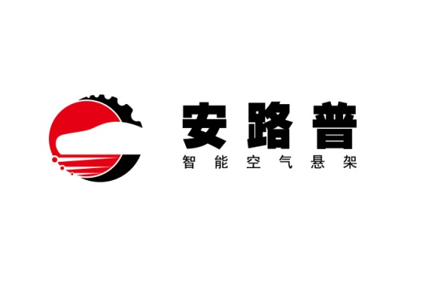
北京光华荣昌汽车部件有限公司
费用报销单
日期： | 2021-12-29 | 报销人：姚明阳 |  | 部门： | 气控产品开发部 |  |  |  |  |  | 预算编码：
 |  |  | 差旅费 | 车辆油费 | 车辆过路过桥费 | 招待费 | 办公费 | 福利费 | 工资 | 修理费 | 劳保费 | 招聘费 | 其他 | 合计
序号 | 支出项目 | 具体事由
 |  |  | RMB | RMB | RMB | RMB | RMB | RMB | RMB | RMB | RMB | RMB | RMB | RMB
1 | 孙国-VDC阀项目-交通费 | 多次试验送样、工装送修 |  |  |  |  |  |  |  |  |  |  | ¥95.100 | 95.10 | #REF!
2 | 张加-用于气阀自动生产线项目-交通费 | 工装送修 |  |  |  |  |  |  |  |  |  |  | ¥139.000 | 139.00 | #REF!
3 | 李扬-用于气阀自动生产线项目-交通费 | 工装送修 |  |  |  |  |  |  |  |  |  |  | ¥115.000 | 115.00
 |  |  |  |  |  |  |  |  |  |  |  |  |  |  | #REF!
 |  |  |  |  |  |  |  |  |  |  |  |  |  |  | #REF!
 |  |  |  |  |  |  |  |  |  |  |  |  |  |  | #REF!
 |  |  |  |  |  |  |  |  |  |  |  |  |  |  | #REF!

 |  |  |  |  |  |  |  |  |  |  |  |  |  | 0.00
 | 合计金额 |  |  |  |  | 0.00 | 0.00 | 0.00 | 0.00 | 0.00 | 0.00 | 0.00 | ¥349.100 | 349.10 | #REF!
部门直属领导 |  | 部门最高责任领导 | 总经理 |  |  | 集团责任领导 |  |  | 财务审核 |  |  | 财务总监

 |  |  |  |  |  |  |  |  |  | 领款人姓名： |  | 姚明阳
 |  | 我确认我已经了解并遵守公司报销政策 |  |  |  |  |  |  |  | 卡 号： |  | 6214 6800 2646 2638
 |  |  | 申请人： | 姚明阳 |  |  |  |  |  | 开户行地址： |  | 北京银行学知支行

