1_Project Team List
Project Team List
Key Team Member
Key Team Member
Team member as Supporter or Supervisor
Team member as Supporter or Supervisor

 | Forename 姓名 | Title 职务 | Mobile 移动电话 | Company Mail 邮箱 | Project Meeting Attendee Record
 |  |  |  |  | 2023
 |  |  |  |  | 2023-08-14 | 2023-08-21 | 2023-08-28 | 2023-09-04 | 2023-09-11 | 2023-09-18 | 2023-09-25 | 2023-10-02 | 2023-10-09 | 2023-10-16 | 2023-10-23 | 2023-10-30 | 2023-11-06 | 2023-11-13 | 2023-11-20 | 2023-11-27 | 2023-12-04 | 2023-12-11 | 2023-12-18 | 2023-12-25
A - Daimler
1 | Wang Nan(Rock) | Supplier Management (AT) | 18145687651 | bfda.ww.wang@daimlertruck.com
2 | Cheng Haifeng | Procurement | 13601065759 | haifeng.cheng@daimlertruck.com
3 | Queiroz, Ricardo Campelo | RD lead | 15600597336 | ricardo.c.queiroz@daimlertruck.com
4 | Liu,junping | RD | 13581857672 | mbbu.l.liu@daimlertruck.com
5 | Yu,Tong | LFT Lead | 13321183933 | mbbu.lm.yu@daimlertruck.com
B - Goldrare
1 | Yongjiang Feng | CEO | 18531226186 | fengyongjiang@bjghrc.com
2 | Xiaofeng Zhang | CTO | 18610772508 | zhangxiaofeng@bjghrc.com
3 | Changhai Pan | Overseas Business Minister | 18673399353 | panchanghai@bjghrc.com
4 | Dongfang Wang | Overseas Business Engineer | 18511780380 | wangdongfang@bjghrc.com
5 | Zhang Xiao | Project Director | 13520373887 | zhangxiao@bjghrc.com
6 | Xi Lv | Project Manager | 15652535136 | lvxi@bjghrc.com
7 | Yongfei Xia | Advanced Quality Minister | 18612905826 | xiayongfei@bjghrc.com
8 | Lin Tao | AQE | 15003321624 | lintao@bjghrc.com
9 | Xilong Wang | SQE | 13716448256 | wangxilong@bjghrc.com
10 | Dong Su | Test | 18612905893 | sudong@bjghrc.com
11 | Liu Haiying | Purchasing Engineer | 18510181922 | liuhaiying@bjghrc.com
12 | Jingqian Feng | Processing Minister | 18610139692 | fengjingqian@bjghrc.com
13 | Liu Menghao | Processing Engineer | 15512898386 | liuronghao@bjghrc.com
14 | Li Ning | Designing Engineer | 19213058797 | lining@bjghrc.com
17 | Wei Chen | Plant Quality Minister | 18611025833 | chenwei@bjghrc.com
18 | Yanyu Ge | Plant Technical Vice President | 18611025833 | geyanyu@bjghrc.com
19 | Lei Wang | Plant Manager | 17301166323 | wanglei@bjghrc.com
20 | Wei Wang | Production Minister | 19831788717 | wangwei@bjghrc.com
21 | Hongbo Liang | Styling Manager | 18612905849 | lianghongbo@bjghrc.com
22 | Fa Wang | E-coating Manager | 19831788700 | wangfa@bjghrc.com
23 | Jianheng Ni | Foaming Mangaer | 1365410737 | nijianheng@bjghrc.com
24
25
26
27
28
29
30
31
32
33
34
35
36
37
38

3_Open Issue List
Project Open Issues List
 | Update Date | 07.11.2023 |  |  | Part Number | Part Name | Change Level | VGU | Closed
 | Project | CXT lower bunk |  |  | A9619709549 | ZB BUNK LWR CABIN2500 | 001 | CXT343001_LB | Finished to be reported
 | Supplier | Goldrare |  |  |  |  |  |  | Processing
 | Manufacturing Location | Cangzhou |  |  |  |  |  |  | Overdue
 | Meeting Date | 07.11.2023
 | Next Meeting Date | 13.11.2023
 |  |  | Action | Quanty
 |  |  | Total | 12
 |  |  | Overdue | 0
 |  |  | Processing | 10
 |  |  | Completed to report | 0
 |  | 8 | Closed | 2
 |  |  | Close Ratio | 16.67%
No. | Information / Issues | Actions / Comments | Resp. | Planed Duedate DD.MM.YYYY | Completion Status | Actual complete date DD.MM.YYYY | Remark
5 | 29G crash test | 29G in China 2024/01/22：new tooling is redesigned and will be finished on Feb 7th. Two kind of test samples will be prepared: one is with plastic release handle part, the other is fabric pull strip. Both solution will be changed to use M4*25 bolts to fix the cross bar. One of two location holes will be moved to enhence the beam strength. The other two new storage boxes need to be avaliable before Feb 26th. Test pass criteria need to be clarifed. 2024/02/26: a special meeting for test pass criteria will be organized M6 for corssbar is used. We are trying or crossbar to contact Lab to do the test on Friday. 2024/03/11: The latest data needs to be updated to Asif. New 29G crash test will be done on next wednesday. 2024/4/3：The 29G crash test result confirmation is needed for 15 samples preparation and homolation samples. 2024/04/09: Homologation samples can be prepared without confirmation of 29G crash tests? 2024/04/15：A internal discussion within BFDA will be orgainzed for confirmation of 29G crash test. Next week will output a feedback. 2024/04/22: Test result is accepted by Pitler Filix, bolts change needs to be implenmented. A special Email for timeline and chang cost need to be sent out. We need a official confirmation for tooling change. 2024/05/13：Next crash test will be done at end of Mai, 9 samples will be prepared after crash test. 2024/05/20: The crash test will be done on 28th of Mai, at that time Lab will be available. 2024/06/03: The crash test has been done on 28th of Mai. 9 samples are waitting for confirmation. 2024/06/17：9 samples are ready for shipment. | Tim zhang Rudy Peter Ricardo Felix | 30.12.2023 | Processing |  | 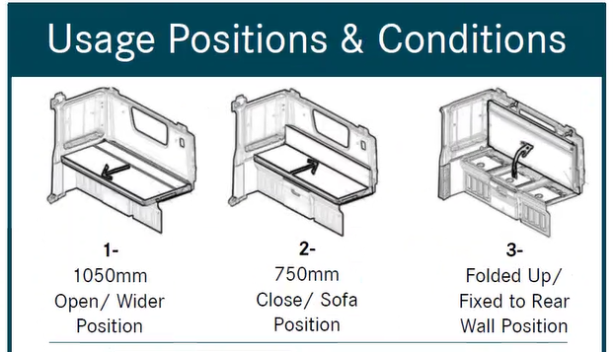 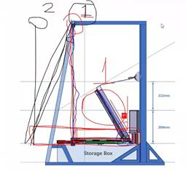 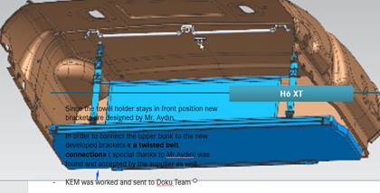
 |  |  |  |  | Processing
6 | C2 samples | 2024/01/15：The delivery time of New Samples need 50 days(40days for parts purchasing,5 days for assembly, 5 days for delivery). For new order pls. arrange it as early as possible. 2024/01/22: Four new samples can be deliveried after chinese spring festival, because some supplier have holiday very early. The delivery time can be marked in quotation. 2024/02/19: 4 samples in old status, will be deliveried before 29G crash test, the ohter 3 will be deliveried in new status after 29 G Crash test. 2024/03/18:7 samples for homologation in improved status. The 3 samples in new status. Samples delivery depends on the crash test. 2024/04/03: Confim whether homologation samples can be prepared separately without 29g Crash test requirment. The delivery time is about 4 weeks. The delivery time is expected on the 9th or 10th of May. 2024/04/15: Homologation samples will be delivered on 10th of May, the material purcahsing and tooling change need at least 2 weeks. 2024/04/22: Homologation 7 samples +3 prototype samples will be deliveried based on Ricardo's 26th March Eimal confimed status. 2024/05/06: 7 homologation samples + 3 prototype samples will be prepared in next week. 2024/05/20：3 homologation samples with bolts and 1 prototype samples without bolts will be sent out at 21th of Mai, the rest 4 homologation samples with bolts and 2 prototype samples without bolts will be togather with 9 crash test samples without bolt will be prepared at the end of Mai(31th). 2024/06/03:3 samples are already sent to BFDA, 4 samples are ready for shipment. High attention must be given on apprence quality. 2024/06/17: the rest 4 homologation samples were alredy sent out to BFDA. 1 summer test sample is needed（latest status + Locker release handle）. | Tim zhang Rudy Rock wang | th | Processing
7 | DVP TEST | 2024/01/22: Updating DVP plan and project timline accordingly. Sharing test report of last Locking&Extension Durability Test. 2024/02/05: After CNY prepare other mechnical tests parallelly. 2024/03/12:The folding durability test will be on next Friday. 2024/04/03: We have built up the test tooling, and already done 1000 cycles. 2024/04/09: Do the test with new mattresses after confirmation. 2024/04/15: for CQC CERTIFACTION, we need to do DVP first. Waiiting for german confirmation of fabric. It will be double checked, whether CQC will be needed in Spetember or October. 2024/04/22:at the end of august, CQC needs to be finished. 2024/06/17: update DVP list, organize mechnical test first. 2024/06/18: GR imtermally check and update timing plan, which DVP test can be done based on the current status, which one need to be postponed. | Tim zhang Rudy | 09.11.2023 | Processing |  | 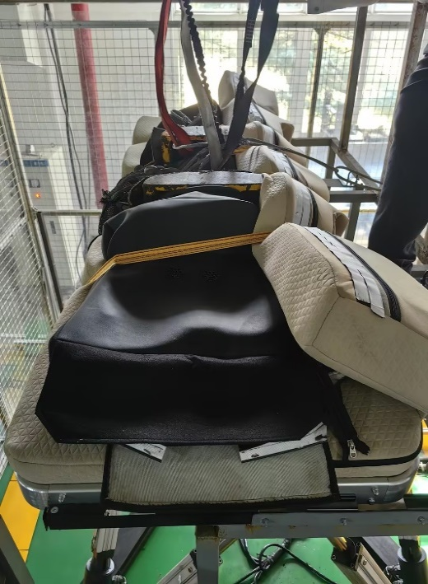 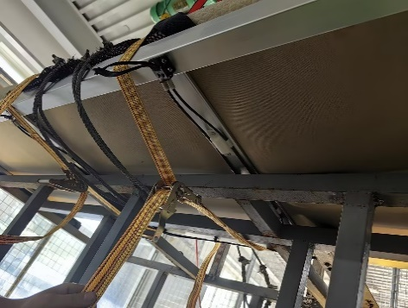 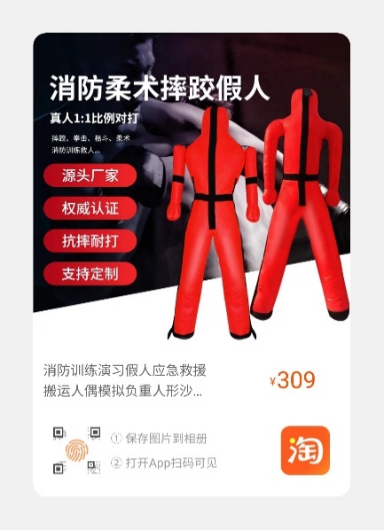
11 | Styling and Fabric | 2023/11/13: Final decision about fabric color and material. Peter and Ricardo will feedback a time in this week. 2024/01/22: keep use Goldrare concept. 2024/06/03: R radius of BUNK need to be output by BFDA. 2024/06/18: Confirm data and styling with Petra on 19th June. After confirmation, prototype can be prepared. |  |  | Processing
12 | Magnet | 2023/11/20: a modified cover with foam with 3 pieces magnets needs to be provide for onsite check. 2023/11/27: a modified sample is provided. 2023/12/11:5 container for different position of magenet in next samples, waitting for height infos. 2024/01/29: 5 container at highst position of backrest. 2024/04/03：Quotation for magnet. 2024/04/15: A simulation will be done today, feedback this afternoon. 2024/04/22: Prepare a new mattress with new position. 2024/05/20: A prototype sample should be assembled with magnet bar. 2024/06/17: A sample is already sent to BFDA, waitting for counterpart to check. |  |  | Processing
15 | T-box | 2024/03/18: Hanger is waitting for BTV feedback. Tbox take refrence of SFTP Part. 2024/04/03: purchase right material for part production. 2024/04/08: 9051 is black, it black right color? 2024/04/15: take color code of SFTP, waitting for feedback of Cem. 2022/04/22: Color code is 8N84. Color material searching and size optimation need to be done first. Timling plan needs to be prepared. 2024/05/13: which supplier delivery plastic material of PA6GF30 with 8N84? 2024/05/27:28TH output the tooling modification timeline, based on the current data. 2024/06/17: GR produce some parts in current molding status, 15th July GR should provide new parts with good function and apprence. 2024/06/18: 19th, two hand optimized parts need to be sent to Rock. |  |  | Processing
16 | New requirments | GR need to provede solutions for new requirments this week: 1.Cancel the 3rd foam and combine it with backrest. 2.Improve sewing quality. 3.Rails cut out must be decked. 4.All mattresses have to be straight and have same gap to the wall. 5.The sewing line at the front edge needs to be eliminated. 6.Visible nuts need to be eliminited. 7.Strap need to be optimized to avoide hanger blocking and easy operation. 8. The wood sleds can be feeled, the mattress thickness need to be increased. 2024/04/08：New fixtures will be manufactured，the fixtures for corner part connection need to be confirmed ASAP. 2024/04/15: Next week have a feedback. Fixture will be manufactured as current planed, the bolt 180° turnover, the change with this concept has a cost of 50 000 CNY. 2024/4/22: Front bolt cancelling will be strarted first after Ricardo confirmed, other improvments are waitting for official input. EPP Part price need to be double checked. 2024/05/13: 9 german crash test samples will be in lastest status(cancelling front bolts). |  |  | Processing
17 | Locker release handle | 2024/04/08: tooling kick off.7homolagtion with pull strip, a separate part with plastic handle for evaluation. 2024/04/22: May 10th a simple will be sent to to BFDA to check. 2024/5/13: A samples is installed on V77 truck. Waitting for tooling kickoff. 2024/05/20: Waitting for tooling Supplier feedback. 2024/06/03: Handle part's color, styling and graining need to be output by BFDA. Handle part data should be sent to BFDA first. 2024/06/17: 1. EPP supoort block need a complete prototype for evaluation. 2. Rail cover take 3D printed part for evaluation.3. Locker release handle tooling kickoff follow up. 4. make EPP inner frame sample for evaluation. |  |  | Processing
 |  |  |  |  | Processing

4_DVP Test
SCREW Performance Verification | 1 | Basic Parameters/Function Inspection with HIII Dummy 基本参数/HIII假人功能检测 | 1. The restraint device shall protect the HIII 95th percentile dummy from falling from the upper bunk in any direction. 约束装置应保护HIII 95%百分位假人不从上铺往任何方向跌落。 2. One hand operation: the bed can be fixed with one hand. 单手操作：床可单手固定。 3. All functions shall work normally. 所有功能正常工作。 4. Target weight: 25kg 目标重量：25kg 5. Operating force as following: 操作力如下: 5.1. The operating force for folding the bunk upwards shall not exceed 150N. 向上折叠铺位的操作力不超过150N。 5.2. The operating force for folding the bunk downwards shall not exceed 130N 向下折叠铺位的操作力不超过130N 5.3. The pressing force of the release button shall be 30N~60N 解锁按钮的按压力为30N~60N 5.4. The seat belt locking force shall not exceed 40N. 安全带锁紧力不超过40N。 | General 常规 | C | C2 | Specbook "Bunk_upper-lower_H6_MBT_Complete_english_20200701" | To fulfill function requirement as per "Bunk_upper-lower_H6_MBT_Complete_english_20200701" 根据“Bunk_upper-lower_H6_MBT_Complete_english_20200701”完成功能需求 | Goldrare | 2024-03-10 | 2024-03-15 | done | No Delay 未延迟 | 2. 单手操作实现不了。 4. 目前重量是31kg。 5.3 待模具件测量。
 | 2 | Bunk Safety Nets Load Test 卧铺安全网负荷试验 | For the preliminary design of the net incl. connecting points, a tractive force of min. 13 KN is to be applied. Apply point area, speed of acceleration should be confirmed with Daimler. 对于包括连接点在内的网的初步设计，将施加最小13千牛的牵引力。 应用点区域、加速速度应与戴姆勒确认。 | Strength 强度 | C | C2 | Specbook "Bunk_upper-lower_H6_MBT_Complete_english_20200701" | The protection systems (seat belts, retaining nets) shall reliably be able to bear the legally required mechanical loads. 保护系统(安全带、挡网)应能够可靠地承受法律要求的机械载荷。 | Vehicle Testing Engineering Research Institute of China 中国汽车试验工程研究所 | 2023-12-20 | 2023-11-20 | Done 已完成 | No Delay 未延迟 | 已做拉力测量，未出报告
 | 3 | Static Load 静态负载试验 | 1. The product shall bear a dynamic load of 150kg or a static load of 180kg, and the maximum deflection shall be 30mm under 150kg load (support shall be added otherwise); 产品应承受150kg动荷载或180kg静荷载，150kg荷载下最大挠度30mm(否则需加支架); 2. Any elastic deformation of the product shall not make occupant feel uncomfortable or unsafe during normal use under any circumstances and environmental conditions; 在任何情况和环境条件下，产品的任何弹性变形都不应使使用者在正常使用时感到不舒服或不安全; 3. Any elastic deformation of the product shall not cause any damage to the adjacent components. 产品的任何弹性变形不得对相邻部件造成任何损坏。 4. No plastic deformation is allowed. 不允许有塑性变形。 | Strength 强度 | C | C2 | Specbook "Bunk_upper-lower_H6_MBT_Complete_english_20200701" | Any elastic deformation of the product shall not make occupant feel uncomfortable or unsafe during normal use under any circumstances and environmental conditions; Any elastic deformation of the product shall not cause any damage to the adjacent components. No plastic deformation is allowed. 在任何情况和环境条件下，产品的任何弹性变形都不应使使用者在正常使用时感到不舒服或不安全; 产品的任何弹性变形不得对相邻部件造成任何损坏。 不允许有塑性变形。 | Vehicle Testing Engineering Research Institute of China 中国汽车试验工程研究所 SGS | 2024-03-10 | 2023-12-30 | Not Start 未启动 | No Delay 未延迟
 | 4 | Pulling Test 拉伸试验 | The test is to verify the belt system to restrain the bunk in different possition (fold angle). Pulling mechaine should apply load of 5500 N to belt structure (including anchorage structures) considering 30° and 60° bunk position as requriement of A 203 860 03 00 测试是为了验证拉带系统在不同位置(折叠角度)对铺位的约束。根据A 203 8603 00的要求，考虑30°和60°铺位，牵引机对皮带结构(包括锚地结构)施加5500 N的载荷 | Strength 强度 | C | C2 | A 203 860 03 00 | No broken, function lost are allowed. 不损坏，功能丢失是允许的。 | Vehicle Testing Engineering Research Institute of China 中国汽车试验工程研究所 /中机科 | 2024-03-10 | 2024-03-15 | Not Start 未启动 | No Delay 未延迟
 | 5 | Protection System Reliability Test 防护装置可靠性测试 | The test is verify the safety net reliability when the user mis-scratch or mis-kick the net: The testing mechaine will hit the safety net from side way and front way by rotating a plastic rod by 5000 punches of each position. 试验是验证用户误抓或误踢安全网时，安全网的可靠性: 测试机器将从侧面和正面撞击安全网，每个位置旋转一根塑料棒5000次。 | Durability 耐久性 | C | C2 | Specbook "Bunk_upper-lower_H6_MBT_Complete_english_20200701" | No fabric line threadings, net shape deformation and fabric broken are allowed. 不允许有织物线外伸、网形变形和织物破损。 | Goldrare | 2024-03-10 | 2024-03-15 | Not Start 未启动 | No Delay 未延迟 | 1. 确认试验方法。 2. 和供应商确认是否做过该试验。
 | 6 | Folding Durability Test 折叠耐久性试验 | The test will be conducted with bunk assembly on the fixed tooling. Fold to up / down as one Cycle 10000 cycles to complete the test. 测试将在卧铺总成的固定工装上进行。 向上/向下折叠为一个循环 10000循环完成测试。 | Durability 耐久性 | B | C2 | Specbook "Bunk_upper-lower_H6_MBT_Complete_english_20200701" | Function should be good, no crack/deformation/broken/sharp edge are allowed after whole test cycles. 性能要求良好，测试周期内不允许出现裂纹/变形/破碎/锐边。 | Goldrare | 2024-03-20 | 2024-03-30 | Not Start 未启动 | No Delay 未延迟 | 做10000万次试验
 | 7 | Locking&Extension Durability Test 锁定和延伸耐久性试验 | The test will be conducted with bunk assembly on the fixed tooling. Pull to outmost / push back to end as one Cycle 10000 cycles to complete the test. 测试将在卧铺总成的固定工装上进行。 拉出/推回结束为一个循环 10000循环完成测试。 | Durability 耐久性 | B | C2 | Specbook "Bunk_upper-lower_H6_MBT_Complete_english_20200701" | Function should be good, no crack/deformation/broken/sharp edge are allowed after whole test cycles. 性能要求良好，测试周期内不允许出现裂纹/变形/破碎/锐边。 | Goldrare | 2023-03-25 | 2024-03-30 | done 完成 | No Delay 未延迟 | 已完成
 | 8 | Crash Test 碰撞试验 | 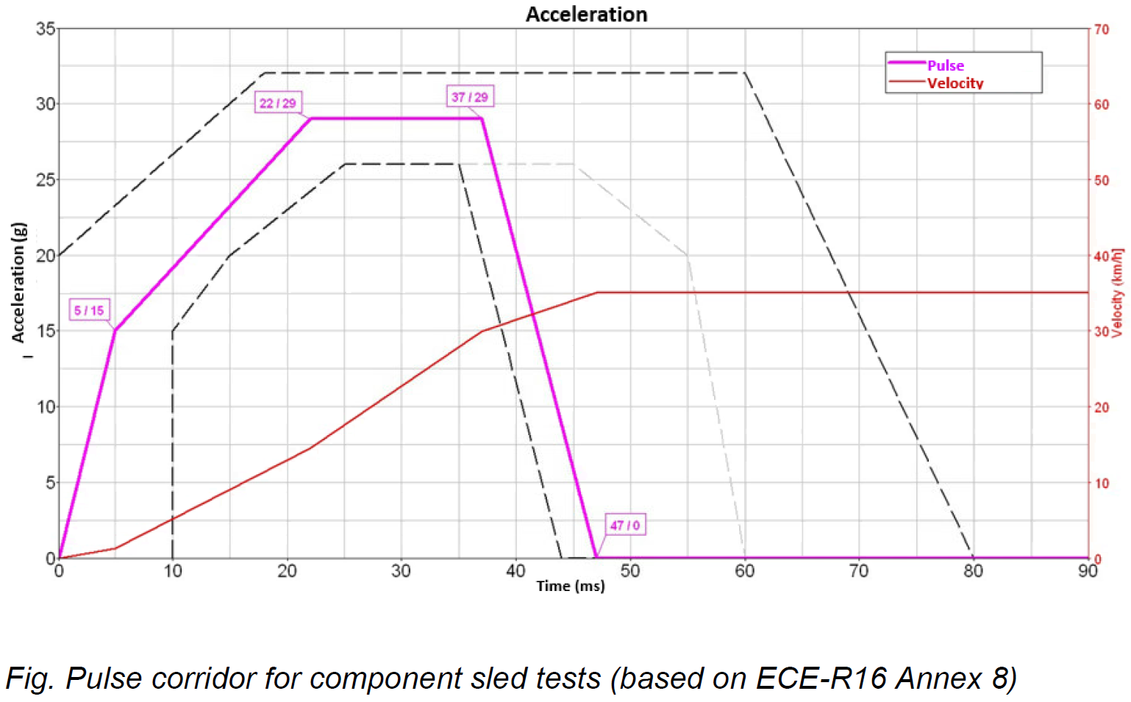 The sled test should be conducted acc to specified pulse (see diagram in the specbook, 29g, 35km/h), the bunk and its detachable parts (e.g. 1+1 table) shall remain firmly connected with the cab (tooling to replace if no storage box). The test should be conducted with 95% HIII Dummy in different required positions. 台车测试应按规定的脉冲进行(见说明书中的图表，29g, 35km/h)，铺位及其可拆卸部件(例如1+1工作台)应牢固地连接驾驶室(如果没有储物箱，则更换工装)。 测试应使用95% HIII假人在不同的要求位置进行。 | Strength 强度 | B | C2 | Specbook "Bunk_upper-lower_H6_MBT_Complete_english_20200701" | Proof of the restraint effect is to be provided by appropriate sled tests. Components indirectly attached to the bunk shall also meet the above-mentioned requirements during deceleration (see above, e.g. towel holder with attached bunk belt or snap hook). For the preliminary design of the net incl. connecting points, a tractive force of min. 13 KN is to be applied. In the event of a crash, no splintered parts, no sharp points and no sharp-edged broken edges are permitted. 约束效果的证明将由适当的台车试验提供。 在减速时，间接附着在铺位上的部件也应满足上述要求(见上文，如毛巾架与附铺带或扣钩)。 对于包括连接点在内的网的初步设计，将施加最小13千牛的牵引力。 在发生碰撞的情况下，不允许有碎裂的部件，不允许有锋利的尖端和锋利的破碎边缘。 | Vehicle Testing Engineering Research Institute of China 中国汽车试验工程研究所 | 2024-02-29 | 2024-03-10 | done 完成 | No Delay 未延迟 | 联系试验出报告
 | 9 | Vibration Durability Test 振动耐久性试验 | 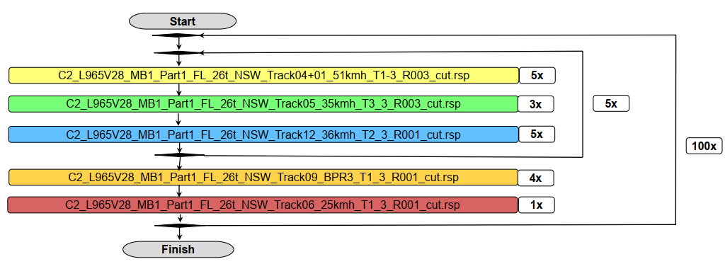 At normal temperature, R=23+/-2°C, the seat is adjusted to the design position and placed on the six-axis vibration table. The work is carried out according to the customer's road spectrum. Sand torso Equipped (Upper part 40Kg + lower part 25Kg) Road signal as following (provided by Daimler): 在常温R=23+/-2℃时，将座椅调整到设计位置，放置在六轴振动台上。试验根据客户的路谱进行。 装备沙地躯干(上半身40公斤+下半身25公斤) 道路信号如下(由戴姆勒提供): 230hrs+ Cycle whole time 26 channels for suspension seat. Iteration will be conducted to guarantee accordance with real driving status. 230小时+整个周期 26个通道的悬挂座椅。 进行迭代，以保证与实际驾驶状态一致。 | Durability 耐久性 | B | C2 | GOLDRARE Standard | After 100 cycles of whole signal vibration (appr.236 hrs), 经过100个周期的整个信号振动(约236小时), | Goldrare/CFI | 2024-07-05 | 2024-08-15 | Not Start 未启动 | No Delay 未延迟 | 准备沙袋安排试验。
 | 10 | Noise Test in Soundproof Cabin 隔音舱内噪音试验 | The test will be conducted after vibration test 试验将在振动试验后进行 1). In the soundproof cabin, start the ventilation system and use sound meter to record;在隔音舱内，启动通风系统，并用声音计记录; 2). In the soundproof cabin, use sound meter to record the DB level as individual operation of each bunk function with and without 95 % dummy in normal lying posture, 在隔音舱内，使用声音计记录在正常躺姿下95%假人和没有95%假人情况下各舱位功能单独运行时的分贝值。 | Chemical 化学 | C | C2 | GOLDRARE Standard | Normal operation noise not large than 60 DB. 正常运行噪声不大于60db。 | Goldrare/CFI | 2024-07-31 | 2024-08-20 | Not Start 未启动 | No Delay 未延迟 | 设计确认是否需要优化
 | 12 | Foam Hardness&Density Series Test 发泡硬度&密度系列试验 | Acc. to GB 10807, 1 piece of finished product of each foam spec should be tested b following items: 根据GB 10807的规定，每一种规格的发泡成品需进行以下试验项目: 1. 40% hardness: 220±20N/φ200 (final value subject to change) 40%硬度：220±20N/φ200（最终值可能会有变化） 2. Foam thickness: 80mm (foam only) 发泡厚度：80mm（仅发泡） 3. Decoration thickness: 3-5mm 装饰厚度：3-5mm 4. Density: 45kg/m³ 密度：45kg/m³ 5. Outer layer: polyester round needle 260g/㎡; color according to Daimler's requirements, other options also available. 外层：聚酯圆针260g/㎡；颜色可根据戴姆勒公司要求，其他选项也可。 | General 常规 | C | C2 | GB 10807，(DBL5452)(DIN53579) | To fulfill function requirement as per GB 10807 满足GB 10807的功能要求 | Vehicle Testing Engineering Research Institute of China 中国汽车试验工程研究所 | 2024-08-01 | 2024-08-30 | Not Start 未启动 | No Delay 未延迟 | After styling confirmed
 | 13 | Foam Physical Performance Test 发泡物理性能试验 | 1. Indentation stroke for a given force or a given stroke and indentation force 给定的力或给定的冲程和压痕力的压痕行程 2. To test constant load impact of foam 测试发泡的恒载冲击 3. Foam rebound rate not less than 55% 发泡回弹率不低于55% 4. Odor of foam 发泡气味 5. Flame retardants test of foam 发泡阻燃试验 6. Tensile strength at room temperature 室温抗拉强度 7. Elongation at break at room temperature 室温断裂伸长率 8. Compression set at room temperature 在室温下压缩 | General 常规 | C | C2 | DBL 5452 GB 10807 QC/T 56 6.2 Q/FT A147-2008 Q./FT T106 | Items 1/2/5 to fulfill GB 10807; Items 3 to fulfill QC/T 56 6.2 Items 4 to fulfill Q/FT A147-2008, Q/FT T106 Items 6/7/8 to fulfill DBL 5452 1/2/5项符合GB 10807; 3项符合QC/T 56 6.2 4项符合Q/FT A147-2008, Q/FT T106 6项符合DBL 5452 | Goldrare/Suzhou CFI | 2024-08-01 | 2024-08-30 | Not Start 未启动 | No Delay 未延迟 | After styling confirmed
 | 14 | Foam Chemical Performance Test 发泡化学性能试验 | ACC to GB 6465: Required typeds of Chemical reagent will be applied to the sample. After the reagent dried, the sample will be exposed in a humidity chamber with a relatively high humidity for a predetermined period of time. Result parameters will be collected for evaluation. 根据GB 6465标准进行： 所需类型的化学试剂将应用于样品。试剂干燥后，样品将暴露在湿度相对较高的湿度室中，并在预定的时间内进行检测。将收集结果参数进行评估。 | Chemical 化学 | A | C2 | GB6465 | 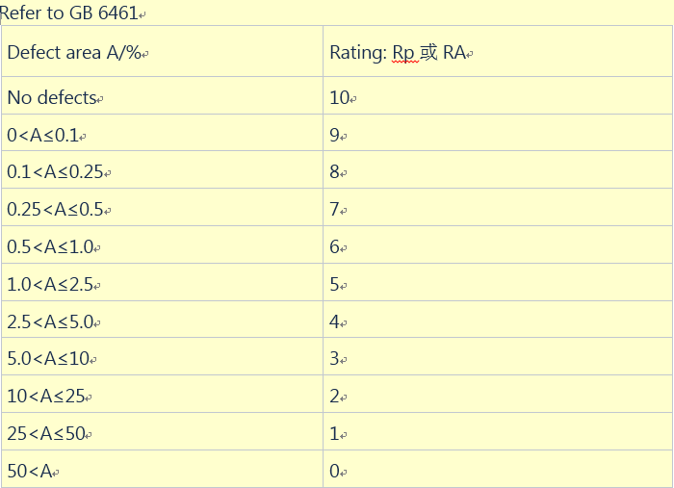 | SGS | 2024-08-01 | 2024-08-30 | Not Start 未启动 | No Delay 未延迟 | After styling confirmed
 | 15 | Fabric Physical Performance Test 织物物理性能试验 | 1. Fabric breaking strength 织物断裂强度 2. Tear strength 撕裂强度 3. Color fastness to perspiration 耐汗色牢度 4. Color fastness to light 耐光色牢度 5. Antistatic performance 防静电性能 6. GB/T 3917.3, woven 600N, knitted warp 500N, knitted weft 350N 根据GB/T 3917.3标准，机织600N，针织经编500N，针织纬编350N 7. GB/T 3917.3 woven 100N; knitted 100N 根据GB/T 3917.3标准，机织100N，针织100N 8. GB/T 3922, fading grade 4-5; sticky color grade 4 GB/T 3922，褪色等级4-5;粘色等级4 9. Adopt GB/T 16442.2 Method A, 3 cycles of illumination (280kJ/m2 per cycle, test period: 65h). Evaluate according to GB/T 250, grade 4. 采用GB/T 16442.2标准下方法A，光照3次循环(每循环280kJ/m2，试验周期65h)。按GB/T 250 等级4评定。 10. Use the standard cotton cloth to rub the sample. There shall be no electrostatic effect, fluffing, pilling, or ash absorption. 用标准棉布擦拭样品。不应有静电效应、起毛、起球或吸灰现象。H6卧铺使用起球。5000次砂轮磨，参考H6座椅 11. Seaming strength and peeling force as per DBL5327 缝合强度和剥离力要满足DBL5327的规定 12. Puncture resistance test of bunk cover 卧铺套抗穿刺试验 | General 常规 | C | C2 | GB/T 3917.3 GB/T 3922 GB/T 16442.2 GB/T 250 DBL 5327 | Lower limit of requirement: For fabric area adopting GB/T 3917.3, woven 600N, knitted warp 500N, knitted weft 350N For fabric area adopting GB/T 3917.3 woven 100N; knitted 100N For fabric area abopting GB/T 3922, fading grade 4-5; sticky color grade 4 For fabric area adopting GB/T 16442.2 Method A, 3 cycles of illumination (280kJ/m2 per cycle, test period: 65h). Evaluate according to GB/T 250, grade 4. For the joint damage to the specimen conforming to c) or d) of 2.4, calculate the average of the joint strength in each direction, expressed in Newtons (N). Seam strength: >350N Puncture resistance test of bunk cover not less than 18Kg 要求下限: 织物区采用GB/T 3917.3，机织600N，针织经编500N，针织纬编350N 织物区采用GB/T 3917.3，机织100N；针织100牛 织物区采用GB/T 3922，退色4-5级；粘色等级4 织物区采用GB/T 16442.2 方法A，光照周期3次(每周期280kJ/m2，试验周期65h)。按GB/T 250 4级评定。 对于符合2.4的c)或d)试件的连接强度，计算各方向的关节强度平均值，单位为牛顿(N)。 接缝强度：>350N 床铺盖抗穿刺试验不小于18Kg | EMTEK 深圳信测 SGS | 2024-08-01 | 2024-08-30 | Not Start 未启动 | No Delay 未延迟 | After styling and fabric confirmed
 | 16 | Fabric Chemical Performance Test 织物化学性能试验 | For Fabric chemical reagent requirement defined in GB6465 Required typeds of Chemical reagent will be applied to the sample. After the reagent dried, the sample will be exposed in a humidity chamber with a relatively high humidity for a predetermined period of time. Result parameters will be collected for evaluation. 适用于GB6465规定的织物化学试剂要求 所需类型的化学试剂将应用于样品。试剂干燥后，样品将暴露在湿度相对较高的湿度室中，并在预定的时间内进行检测。将收集结果参数进行评估。 | General 常规 | A | C2 | GB6465 |  | Goldrare/SGS | 2024-08-01 | 2024-08-30 | Not Start 未启动 | No Delay 未延迟 | After styling and fabric confirmed
 | 17 | Body Pressure Distribution 体压分布试验 | To output: 1. Body pressure distribution in seating state 2. Body pressure distribution in supine state 3. Body pressure distribution in side lying state The maximum pressure shall be no greater than (to be determined by the Goldrare and Daimler) 输出: 1. 坐姿状态下的体压分布 2. 仰卧状态下的体压分布 3. 侧卧状态下的体压分布 最大压力不大于(由Goldrare和Daimler确定) | General 常规 | C | C2 | Specbook "Bunk_upper-lower_H6_MBT_Complete_english_20200701" | To fulfill body pressure distribution of alighment with Daimler 按照与戴姆勒的协议完成对车身压力分配试验 | Goldrare | 2024-08-01 | 2024-08-30 | Not Start 未启动 | No Delay 未延迟
 | 18 | Plastic Part Anti-Environment 塑件环保试验 | 1. Adopt ISO 105-B06 exposure method 2, condition group 3, in 3 cycles. The surface of the sample shall be free of exudates, black spots, chalking, cracks, or obvious change in gloss. Conduct visual inspection according to GB/T 250. Compared with the reserved samples, the color fastness grade shall not be less than 3 to 4. 采用ISO 105-B06曝光方法2，条件组3，共3个循环。样品表面应无渗出物、黑点、白垩斑、裂纹或光泽明显变化。按GB/T 250进行目视检查。与预留样品相比，色牢度等级不得低于3 ~ 4级。 2. Conform to QC/T15-1992. At room temperature, immerse the sample in a container filled by solvents for 2 hours. After drying, the sample shall be free of defects such as cracking, swelling, whitening and discoloration. (all related chemical mediums shall be used) 符合QC/T15-1992。在室温下，将样品浸泡在充满溶剂的容器中2小时。干燥后的样品应无开裂、肿胀、变白、变色等缺陷。(所有相关化学介质应使用) | Chemical 化学 | C | C2 | ISO 105-B06 QC/T 15-1992 | Color Fastness grade shall ＞ = 3-4 After drying, the sample shall be free of defects such as cracking, swelling, whitening and discoloration 色牢度等级为> = 3-4 干燥后的样品应无开裂、肿胀、变白、变色等缺陷 | EMTEK SGS | 2024-08-01 | 2024-08-30 | Not Start 未启动 | No Delay 未延迟 | Waitting for locker release handle
 | 19 | Plastic Part Anti-Friction 塑件防摩擦试验 | Conform to GB/T3920. Test frequency: 1 reciprocating friction cycle per second, 10 friction cycles in total. It shall meet the requirements of Article 11 in Table 2 of Q/FT A161-2009. 符合GB/T3920。试验频率：往复摩擦循环每秒1次，共摩擦循环10次。应符合Q/FT A161-2009表2第11条的要求。 | General 常规 | C | C2 | DBL 5306 | To fulfill the requirements of Article 11 in Table 2 of Q/FT A161-2009. 满足Q/FT A161-2009表2中第11条的要求。 | EMTEK SGS | 2024-08-01 | 2024-08-30 | Not Start 未启动 | No Delay 未延迟 | Waitting for locker release handle
 | 20 | VOC | Sampling bag, seal the bag sample. 取样袋，密封袋内样品。 1. Connecting pipe, an air bag with a vacuum pump extraction. 连接管道，连接气囊与抽真空泵。 2. Sampling bag charged to 30% volumeAbout high purity nitrogen gas and then withdrawn. This step was repeated twice. 采样袋充注至30%体积左右的高纯氮气，然后取出。这一步重复了两次。 3. Again sampling bag accurate volume of the bag was added 60%Volume of the high purity nitrogen gas, the charge record. 再次准确地在采样袋中添加容积为60%的高纯氮气，记录充注量。 4. The sampling bags into an oven, heating is started until the temperature was raised and stabilized at 65 deg.] CAfter the start time, 2Hours for trapping gas, the oven temperature should remain unchanged during the gas trap. 将采样袋放入烤箱，开始加热，直到温度升高并稳定在65度。启动时间后，进行2小时的气体捕集，在气体捕集期间，烤箱温度应保持不变。 3Trapping gases捕获气体 When the trapped gas, using two collection tube: TENAX traps BTEXTrap tube and the DNPH trapping aldehydes and ketonesTrap tube. Prior to trapping the gas, the gas sampling bags shaking to a uniform distribution, then according to Table 3A trapping conditions were usedTENAX tube and a DNPHTrapping the gas tube shown in Figure 1. Wherein FIG 1(Between the catheter from the oven wall to the suction pipe) A conduit portion within 30mm of length control. 当捕获气体时，采用两种集气管:TENAX捕集管BTEXTrap捕集管和DNPH捕集醛酮管。在捕获气体之前，将气体采样袋摇动到均匀分布，然后根据表3A的捕获条件使用tenax管和dnph捕集气体管，如图1所示。 其中图1(从炉壁到吸入管之间的导管)长度控制在30mm以内的导管部分。 Table 3 capture conditions表3捕获条件 The collecting pipe Tenax tube DNPH tube收集管Tenax管DNPH管 Acquisition Flow (ml / min) 200 800采集流量(ml / min) 200 800 Acquisition Time (min) 15 15采集时间(min) 15 15 Collection volume (L) 3 12采集量(L) 3 12 4Analytical method分析方法 4.1Complete capture of TENAXQuantitative analysis tube should immediately, in the case can not be analyzed immediately, applied at both ends of the ferrules in a sealed tube and then wrapped in paper foil trap tube and check markNote, at 4-10 ℃Save (ambient shelf life of up to 7day). 定量分析管应立即捕集完毕，在不能立即分析的情况下，应用于夹管两端的套圈内密封，然后用纸箔包好捕集管并检查标记，在4-10℃下保存(环境保存期可达7天)。 Analysis of BTEX TENAX tube trap benzene, tolue | KZ | A | C2 | Q/FT A203-2010 | 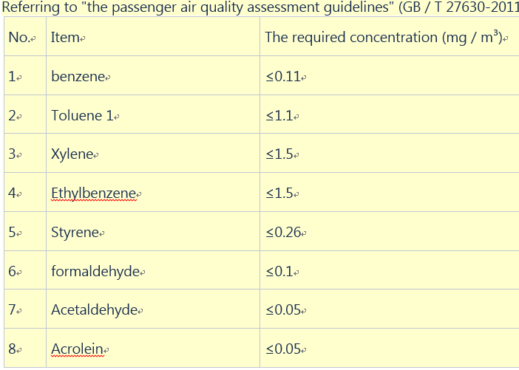 Evaluated by Q/FT A203-2010 采用Q/FT A203-2010评估 | SGS | 2024-08-01 | 2024-08-30 | Not Start 未启动 | No Delay 未延迟 | Waitting for locker release handle
 | 21 | Flammability Test 阻燃试验 | Refer to the level specified in 6.1 and 6.2 of DBL 5307 for vertical burning speed measurement and test design (material sampling, sample forming, pretreatment, combustion rate calculation, and combustion performance measurement, etc.). 垂直燃烧速度测量和试验设计(材料取样、样品成型、前处理、燃烧速率计算、燃烧性能测量等)参照DBL 5307 6.1和6.2规定的水平进行。 | KZ | B | C2 | DBL5307 | Daimler stipulates that the components designed by the supplier shall have the fire resistance specified by the European DBL 5307 standard and the GB8410-2006 standard. Level: Burning speed ≤100mm/min, or the flame is extinguished before reaching the last measuring line. Vertical: burning speed ≤100mm/min | EMTEK SGS | 2024-08-01 | 2024-08-30 | Not Start 未启动 | No Delay 未延迟
 | 22 | ELV | According to QC/T 941-2013 automotive materials Zhonggong detection method, QC/T 942-2013 hexavalent chromium detection method for automotive materials, QC/T 943-2013 detection method for lead and cadmium in automotive materials, QC/T 944-2013 Detection methods for polybrominated biphenyls and polybrominated diphenyl ethers in automobiles; 根据QC/T 941-2013《汽车材料中工检测方法》、 QC/T 942-2013《汽车材料六价铬检测方法》、 QC/T 943-2013《汽车材料中铅、镉检测方法》、 QC/T 944-2013《汽车中多溴联苯、多溴二苯醚检测方法》; | KZ | B | C2 | QC/T 941-2013、QC/T 942-2013、QC/T 943-2013、QC/T 944-2013 DBL8585 | 1. The following four substances are prohibited in metal materials: 1) Lead or its compounds 2) Gong or its compounds 3) Cadmium or its compounds 4) Hexavalent chromium 2. The following four substances are prohibited in non-metallic materials: 1) Lead or its compounds 2) Gong or its compounds 3) Cadmium or its compounds 4) Hexavalent chromium 5) Polybrominated biphenyls (PBBS) 6) Polybrominated diphenyl ethers (PBDES) 1. 以下四种物质禁止在金属材料中使用: 1)铅或其化合物 2)锣或它的化合物 3)镉及其化合物 4)六价铬 2. 非金属材料中禁止含有以下四种物质: 1)铅或其化合物 2)锣或它的化合物 3)镉及其化合物 4)六价铬 5)多溴联苯(PBBS) 6)多溴二苯醚(PBDES) | EMTEK SGS | 2024-08-01 | 2024-08-30 | Not Start 未启动 | No Delay 未延迟
 | 23 | Salt Spray Test (NSS) 盐雾试验（中性盐雾试验） | Neutral salt spray test as required in ISO 9227, test method: Use testing chamber or bag to retain the samples. Test temperature: 35℃±2°； 800cm² Level collecting speed: 1.5ml/hr ±0.5ml/hr NaCl concentration: 50g/l + 5g/l Ph: 6.5 - 7.2 3.1 Exposed time: 720 hrs 按照ISO 9227的要求进行中性盐雾试验，试验方法: 用测试箱或测试袋保存样品。试验温度:35℃±2°; 液面收集速度:1.5ml/hr±0.5ml/hr NaCl浓度:50g/l + 5g/l Ph值:6.5 - 7.2 曝光时间:720小时 | KZ | A | C2 | ISO 9227 | No red rust after 720 hrs neutral salt spray test. Test in accordance with DIN EN ISO 9227 NSS 中性盐雾试验720小时，无红锈现象。按照DIN EN ISO 9227 NSS进行测试 | Goldrare/SGS | 2024-07-01 | 2024-08-30 | Not Start 未启动 | No Delay 未延迟 | 标准件的试验报告由供应商提供。
 | 24 | Humidity Aging Test 湿度老化试验 | To follow DBL 5471遵循DBL 5471 | Environment 环境 | C | C2 | DBL 5471 | The component shall still work after humidity aging (92% rel. humidity at 40°C). Humidity aging according to DBL 5471 在湿度老化(92% 的相对湿度，在40°C温度下)后，组件仍应工作。 湿度老化根据DBL 5471标准进行。 | GRGTEST | 2024-07-01 | 2024-08-30 | Not Start 未启动 | No Delay 未延迟
 | 25 | Corrosion Test 腐蚀试验 | As frame is made by aluminum, it should be coated with corrosion-resistant alloys, e.g. AlSiMg1, AlSi10, AlSi10Mg, AlMg2.5 or alloys compliant with EN AC-43XXX or EN AC-44XXX and alloys with a lower copper content. The parts should conducted with additional cyclic corrosion tests according to VDA 233-102 由于车架是由铝制成的，所以它应该涂上耐腐蚀合金，例如AlSiMg1, AlSi10, AlSi10Mg, AlMg2.5或符合EN AC-43XXX或EN AC-44XXX的合金和铜含量较低的合金。部件应根据VDA 233-102进行额外的循环腐蚀试验。 | Chemical 化学 | C | C2 | VDA 233-102, SIP 18150 | To follow VDA 233-102遵循VDA 233-102 | Goldrare/SGS | 2024-07-01 | 2024-08-30 | Not Start 未启动 | No Delay 未延迟
 | 26 | Dry-High Temperature Test 干燥高温试验 | To follow DBL 5471遵循DBL 5471 | Environment 环境 | C | C2 | Specbook "Bunk_upper-lower_H6_MBT_Complete_english_20200701" | The component shall be resistant with respect to its functions and properties in the drying process lasting at least 30 min. at 90°C circulating air temperature. 在90°C循环空气温度下持续至少30分钟的干燥过程中，该组件的功能和性能应具有抗阻力。 | GRGTEST | 2024-08-01 | 2024-08-30 | Not Start 未启动 | No Delay 未延迟 | Waitting for fabric and Plastic part
 | 27 | Low Temperature 低温试验 | Minimum day temperatures of up to -40°C 日最低气温可达-40°C | Environment 环境 | C | C2 | Specbook "Bunk_upper-lower_H6_MBT_Complete_english_20200701" | Parts are not allowed to crack, break, deform, leak and loose function. 不允许零件开裂、断裂、变形、泄漏、功能损失。 | GRGTEST | 2024-08-01 | 2024-08-30 | Not Start 未启动 | No Delay 未延迟 | Waitting for fabric and Plastic part
 | 28 | Reisstance to solar radiation / ultraviolet rays 抗太阳辐射/紫外线试验 | To test that all surface mount submodules and components that are exposed to solar radiation in its Technical Description Manual Climatic Conditions section. The following operating temperatures should be considered during the development phase: The test piece should be kept in the weatherproof test box for 30 minutes. Solar radiation up to 1120 W/ m² 测试所有暴露于太阳辐射的表面安装的子模块和组件，在其技术描述手册气候条件部分。在研制阶段应考虑以下工作温度: 试样应在耐风雨试验箱内保存30分钟。太阳辐射高达1120 W/ m² | Environment 环境 | C | C2 | Specbook "Bunk_upper-lower_H6_MBT_Complete_english_20200701" | Parts are not allowed to crack, break, deform, leak and loose function. 不允许零件开裂、断裂、变形、泄漏、功能损失。 | GRGTEST | 2024-08-01 | 2024-08-30 | Not Start 未启动 | No Delay 未延迟 | Waitting for fabric and Plastic part
 | 29 | Dust Test 粉尘试验 | Bunk should consider the effects of continuous exposure to: Water, road film, road salt, sand, debris, dust. The test was carried out in accordance with DIN EN 60068-2-68 and Goldrare's own standard (GB T 2423.27-2006) to meet Daimler's needs. 床铺应考虑持续暴露于以下环境的影响: 水、路膜、路盐、沙子、碎屑、灰尘。 测试是根据DIN EN 60068-2-68和Goldrare自己的标准(GB T 2423.27-2006)进行的，以满足戴姆勒的需求。 | Environment 环境 | C | C2 | GOLDRARE Standard | Parts are not allowed to crack, break, deform, leak and loose function. 不允许零件开裂、断裂、变形、泄漏、功能损失。 | 华测/广电 GRGTEST | 2024-08-01 | 2024-08-30 | Not Start 未启动 | No Delay 未延迟 | Waitting for fabric and Plastic part

