Injection Mould
永利源和科技有限公司
地址：深圳光明区玉塘街道高新园区A栋一层

 |  |  |  | Rev
Quotation (报价号） |  | 20250915 |  | 00 |  |  |  |  |  |  | Date: | 15-Sep-25
Company Name（客户）: |  |  |  |  | Attn（联系人）: |  | 吴经理 |  |  |  | Tel: | 18924666036
Project Name（项目名称）: |  | 广角镜体改款修模 |  |  | Sent by（发出人）: |  |  |  | E-mail: | 13652320968@139.com | Fax:

Item 编号 | Picture 图片 |  | Part Number （产品编号） | Part Name （产品名称） |  | 模具编号 | Part Size (mm) 产品尺寸（mm) | Part Raw Material 产品材料 | 修改内容 |  |  |  | 周期 | Total Cost 合计 | Remarks 备注

1 | 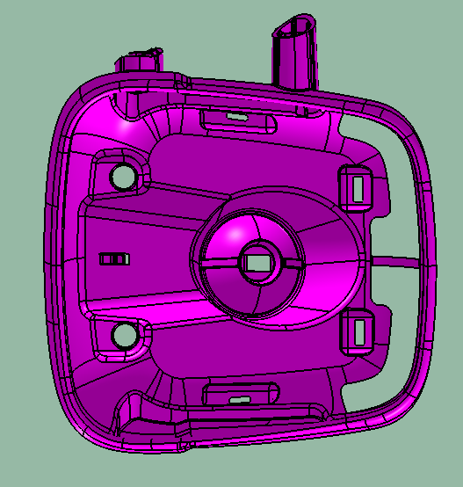 |  | SHT0010636 | 2.5米左右广角镜体 |  | RCS0278-14 | 247*228*142/242*212*157 | PBT+PET+GF30 | 前后模仁/行位/斜顶/订料按新图纸加工 |  |  |  | 确认款到后4周（不含国庆假期） | ￥85,000
2 |  |  | SHT0010721
3 |  |  |  |  |  |  | 付款方式：预付50%，试模后付清全款
 |  |  |  |  |  |  |  |  |  |  |  |  |  | ￥85,000
Remark: |  |  |  |  |  |  |  |  |  |  |  |  |  | 协议价83000
1 | Price for Ex works
2 | 40% advance payment with order,40% after T1 Approval, 10% before mold delivery, or final payment prior to us commencing mass production 下单时付50%，收到T1样品付40%，走模后6个月付清10%；
3 | Mold Life is 50000 shots to 2,000,000 shots including arm up, waste etc depending on clients requierments and the steel used to make the mold please observe the quotation above，模具寿命正常在50000到2000000之间，模具寿命根据材料不同而不同，具体寿命请看报价单上的注明；
4 | Mold material will be purchased from LKM or equivalence, please kindly refer to http://www.lkm.com.hk无特殊注明时， 模具材料是龙记或以龙记同级别的材料；
5 | Mold GA will be sent for approval before commencing mold manufacturing 模具设计图必须由客户确认后开始计算模具生产周期；
6 | This quotation will be valid for 30 days，此报价有效期为30天；
7 | 5 free samples are provided for up to 3 times to one address only… Please note if you require more samples or need sample sent to two addresses you will need to wear the cost 每套模具可提供三次每次五套免费样品，如城更多或送多个地方将收取相应费用；
8 | Samples are produced in local material if you need to use some exotic material for samples then you need to have it delivered to our factory free of charge. 所有试模使用本地材料，如需客人指定材料或进口材料由客人提供 However if we are doing the mass production then we can provide the material.
9 | All the standard parts such as Hasco or DME,we will use the copied one.If the customer requests to use the original the customer will supply.所有报价如需DME、HASCO等品牌标准件时我们都是使用中国产的复制品，如需原装件必须由客人提供。
10 | If Hydrualic cylinder needed,we will use the Chinese local one.If the customer requests to use any foreign brand the customer will supply.报价中如有用到油缸时所有油缸都为中国本地产油缸，如需国外品牌原装油缸需客户提供。

